9
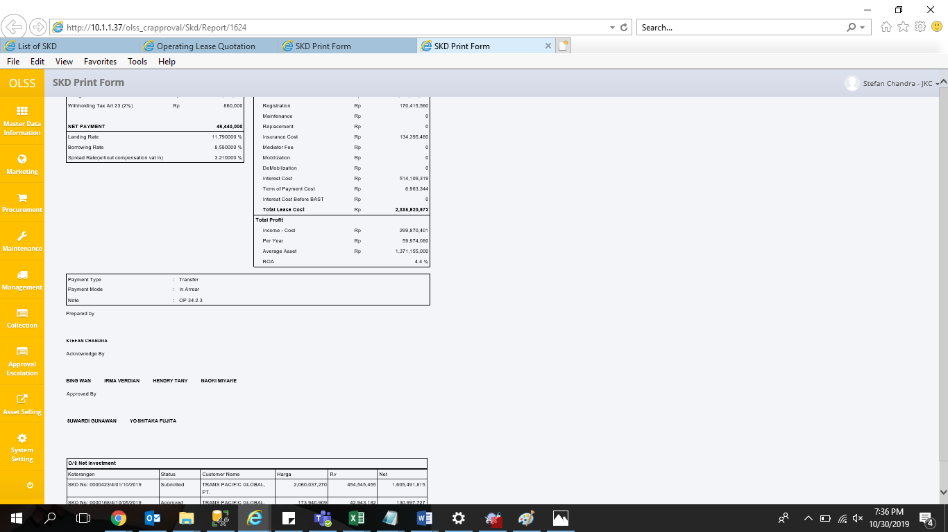
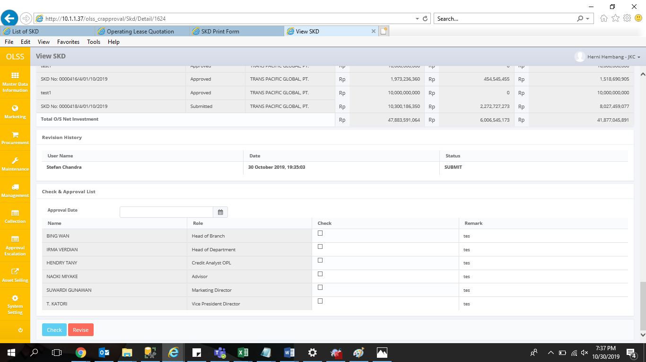
0000423/4/01/10/2019

15
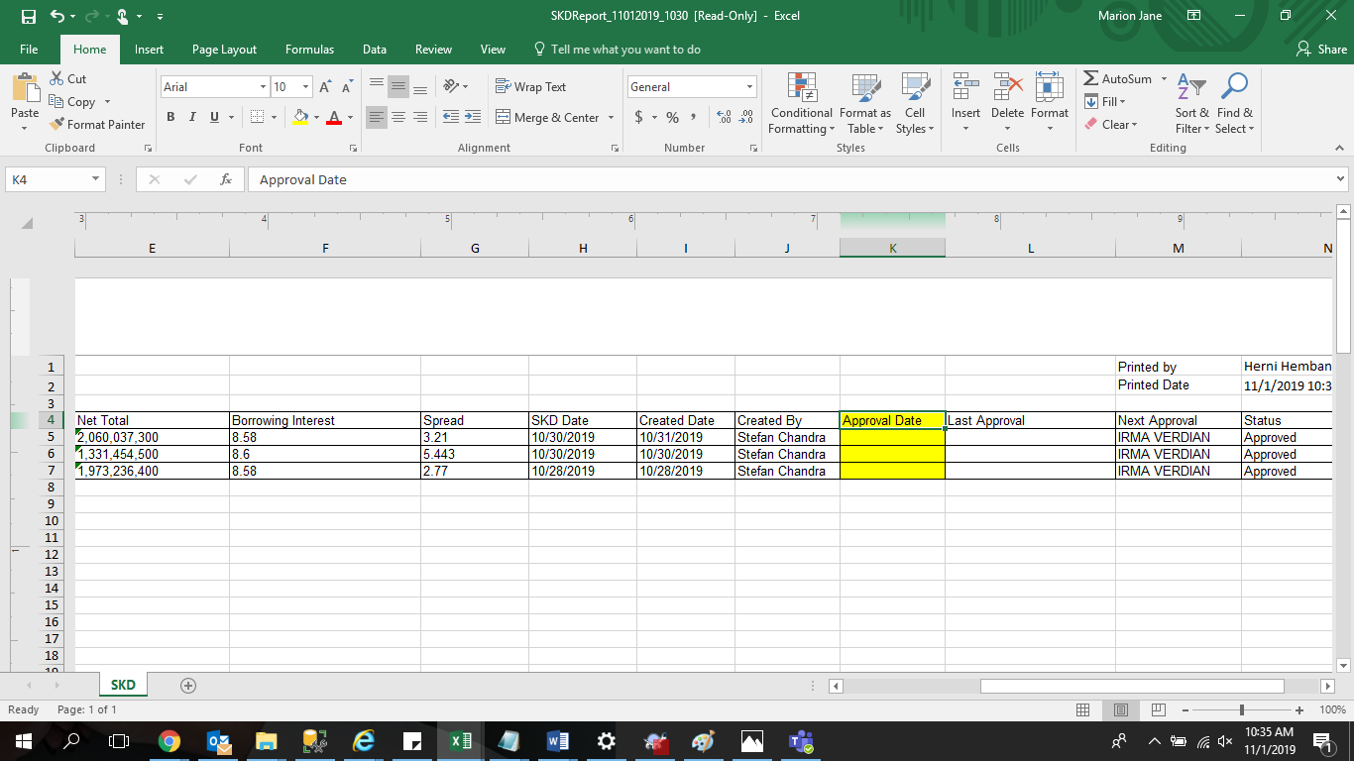
tambahkan kolom approval date di print out list of SKD

16
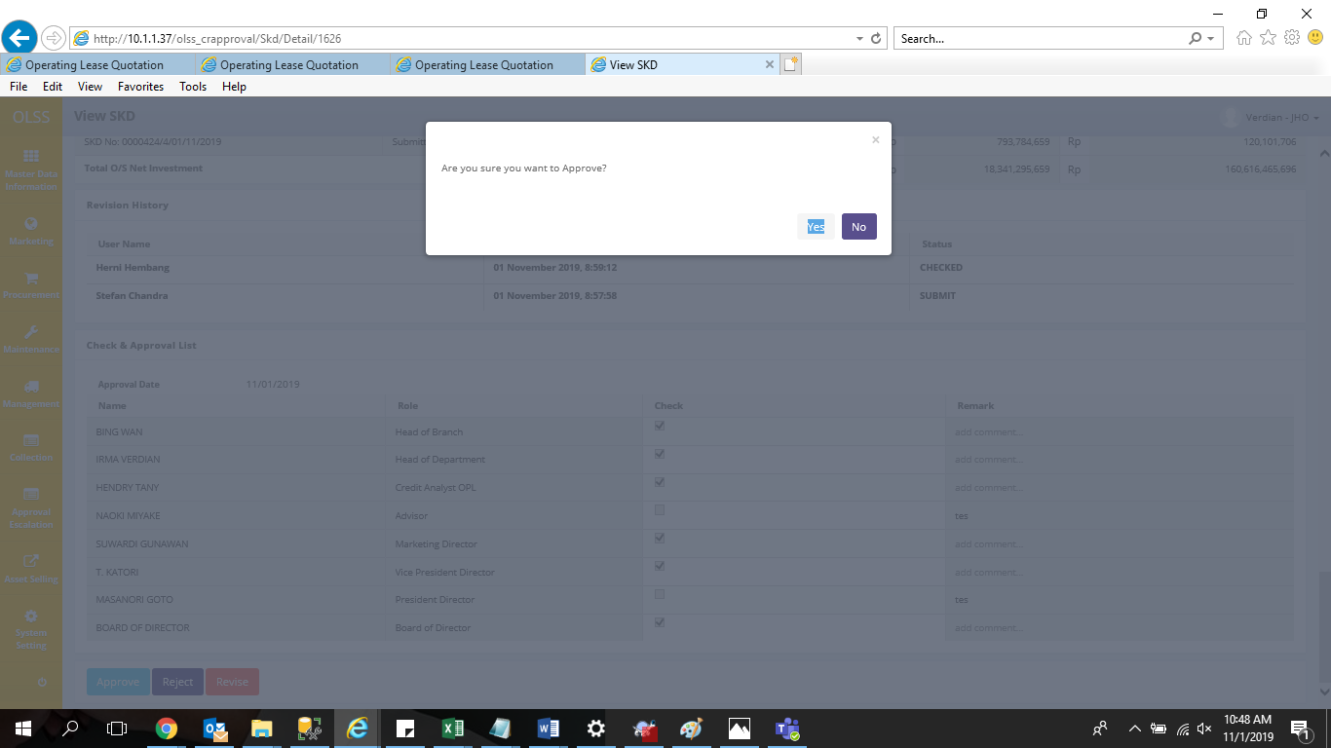
approver tidak bisa approve SKD; MASANORI GOTO & VERDIAN

17
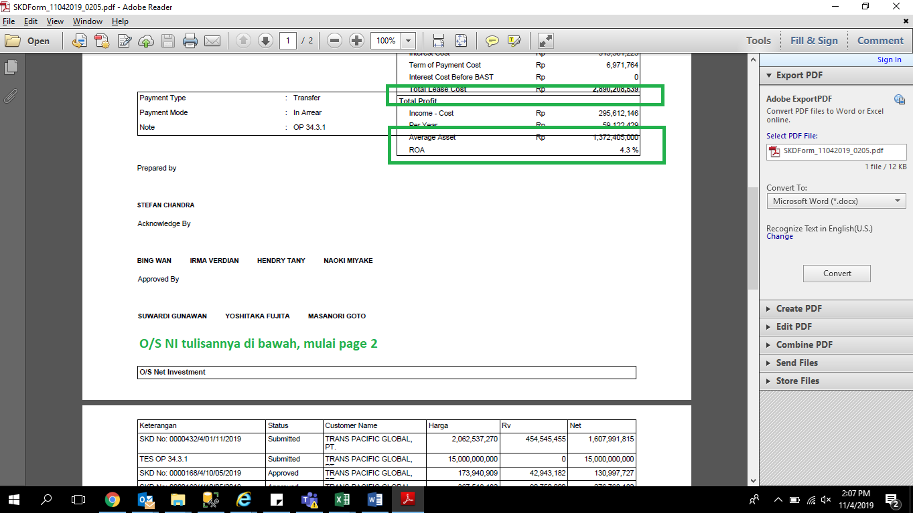
Print Out PDF SKD minta dibetulkan tampilan nya

19
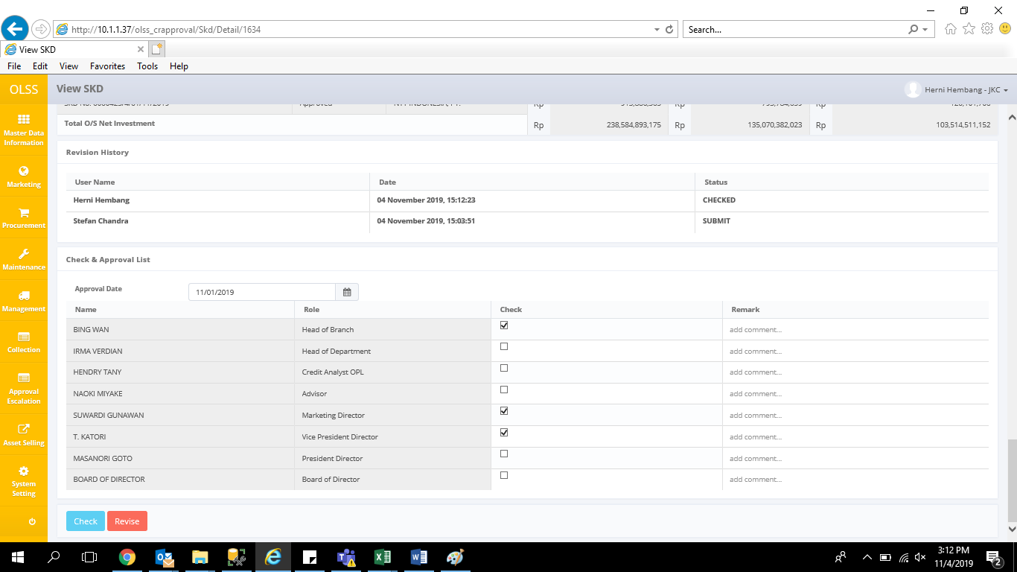
belum diceklist dan dikasih remarks sudah bisa checked

